About the Author


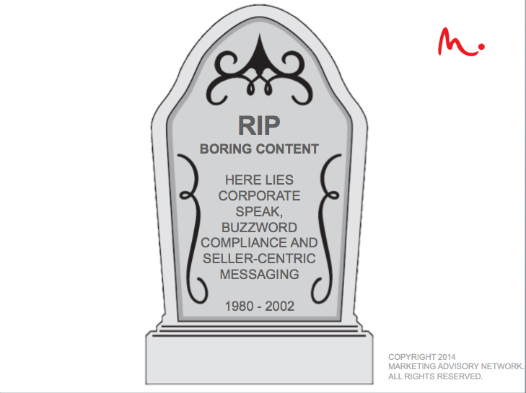

Samantha Stone - Founder The Marketing Advisory Network
Samantha is a fast growth, B2B marketing junkie, mother of four high energy boys
and wannabe gourmet chef. Throughout her career she has launched go-to-market
initiatives and lead marketing strategies for award-winning, high growth technology
companies including Netezza, SAP, Ascential Software and Powersoft. In 2012 she
founded The Marketing Advisory Network to help enterprises unleash the possible
within their organizations. You can read more about her marketing philosophy
and get practical advice by visiting www.unleashpossibleblog.com or following her
on twitter @samanthastone

If you have feedback or questions about using this template don’t hesitate to reach out. You can reach Samantha via email at samantha.stone@marketingadvisorynetwork.com.

